Part 1
Part 1 - Get the star coordniates.
I chose Wikipedia as my source, which in turn references published scientific data sources.
Here are links to the Wikipedia pages, and a copy of the data tables with the coordinates highlighted in yellow:
 | Saiph |  |  | Betelgeuse |  |  | Bellatrix |  |  | Rigel |  |  | Alnitak |  |  | Alnilam |  |  | Mintaka
http://en.wikipedia.org/wiki/Saiph |  |  | http://en.wikipedia.org/wiki/Betelgeuse |  |  | http://en.wikipedia.org/wiki/Bellatrix |  |  | http://en.wikipedia.org/wiki/Rigel |  |  | http://en.wikipedia.org/wiki/Alnitak |  |  | http://en.wikipedia.org/wiki/Alnilam |  |  | http://en.wikipedia.org/wiki/Mintaka
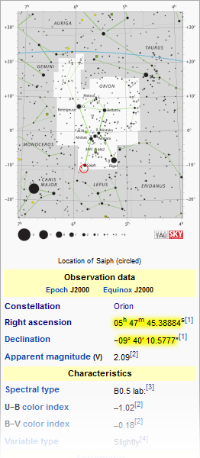
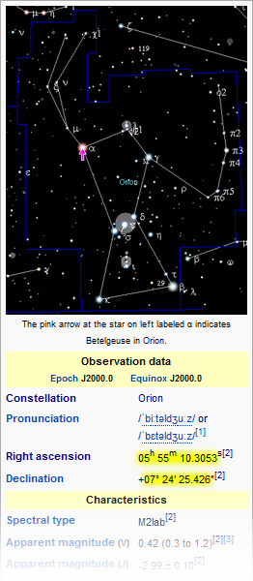
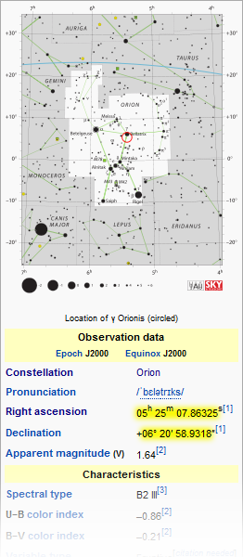
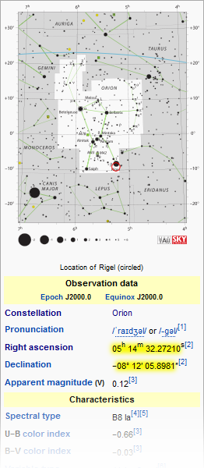
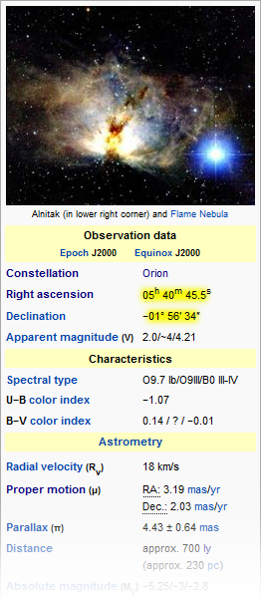
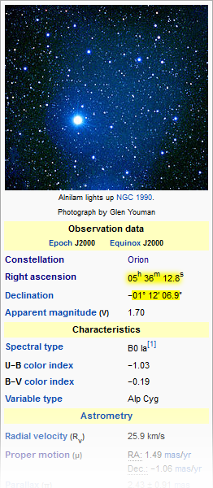
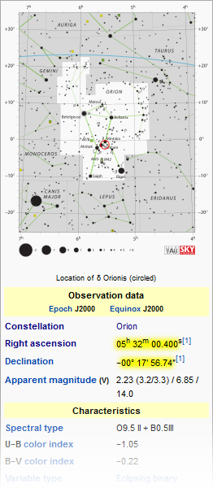

Collect the coordinates.
You can use an on-line tool such as the following to convert the minutes and seconds part of the angle into a single number:
http://www.satsig.net/degrees-minutes-seconds-calculator.htm
Note that the right ascension is given in units of hours, so after converting with the above website you have to multiply the result by 15 degrees per hour to get degrees.
RA 15 ´ | 5.795941 | hours | 15 ´ | 5.919529 | hours | 15 ´ | 5.418851 | hours | 15 ´ | 5.242298 | hours | 15 ´ | 5.679306 | hours | 15 ´ | 5.603556 | hours | 15 ´ | 5.533444 | hours
= | 86.939115 | degrees | = | 88.792935 | degrees | = | 81.282765 | degrees | = | 78.63447 | degrees | = | 85.18959 | degrees | = | 84.05334 | degrees | = | 83.00166 | degrees
Decl | -9.669605 | degrees |  | 7.407063 | degrees |  | 6.349703 | degrees |  | -8.201638 | degrees |  | -1.942778 | degrees |  | -1.201917 | degrees |  | -0.299094 | degrees
Alternatively, you can convert the angles directly using the following formulas:
degrees = 15 ´ hours + minutes ÷ 4 + seconds ÷ 240 (for right ascension)
degrees = ± degrees ± minutes ÷ 60 ± seconds ÷ 3600 (for declination)
Here are the same values calculated by Excel by using the above formulas inside of each cell (see formulas):
RA | 86.939120167 |  |  | 88.79293875 |  |  | 81.282763542 |  |  | 78.634467083 |  |  | 85.189583333 |  |  | 84.053333333 |  |  | 83.001666667
Decl | -9.6696049167 |  |  | 7.4070627778 |  |  | 6.3497032778 |  |  | -8.2016383611 |  |  | -1.9427777778 |  |  | -1.2019166667 |  |  | -0.29909444444
Degrees are used here, but radians would work equally well. It is only critical that the right ascension and declination units are the same.
Next, subtract the coordinates of Alnitak from all of the stars to center them around Alnitak (see formulas):
X | 1.7495368333 |  |  | 3.6033554167 |  |  | -3.9068197917 |  |  | -6.55511625 |  |  | 0 |  |  | -1.13625 |  |  | -2.1879166667
Y | -7.7268271389 |  |  | 9.3498405556 |  |  | 8.2924810556 |  |  | -6.2588605833 |  |  | 0 |  |  | 0.74086111111 |  |  | 1.6436833333
From now on, we are dealing with X-Y Cartesian coordinates, and not right ascension and declination angles.
Note: | I am deliberately handwaving the conversion from spherical to Cartesian coordinates for simplicity, but the reader should know that I have proven the calculations both ways.
 | The same results can be obtained by mathematically projecting the spherical coordinates onto a Cartesian plane as in a gnomonic projection, with the added consideration of a rounding threshold.
 | It appears that it was the Lord's intention for the results to be easily obtainable without having to do those calculations, therefore I do not needlessly complicate this tutorial.
For a rough visual check, I inserted X-Y scatter charts for both sets of values above so that we can see the coordinates:
Note: | The X axis is intentionally kept reversed.
RA and Decl
86.939120167 | -9.6696049167
88.79293875 | 7.4070627778
81.282763542 | 6.3497032778
78.634467083 | -8.2016383611
85.189583333 | -1.9427777778
84.053333333 | -1.2019166667
83.001666667 | -0.29909444444
X-Y (Centered)
1.7495368333 | -7.7268271389
3.6033554167 | 9.3498405556
-3.9068197917 | 8.2924810556
-6.55511625 | -6.2588605833
0 | 0
-1.13625 | 0.74086111111
-2.1879166667 | 1.6436833333

